Handout
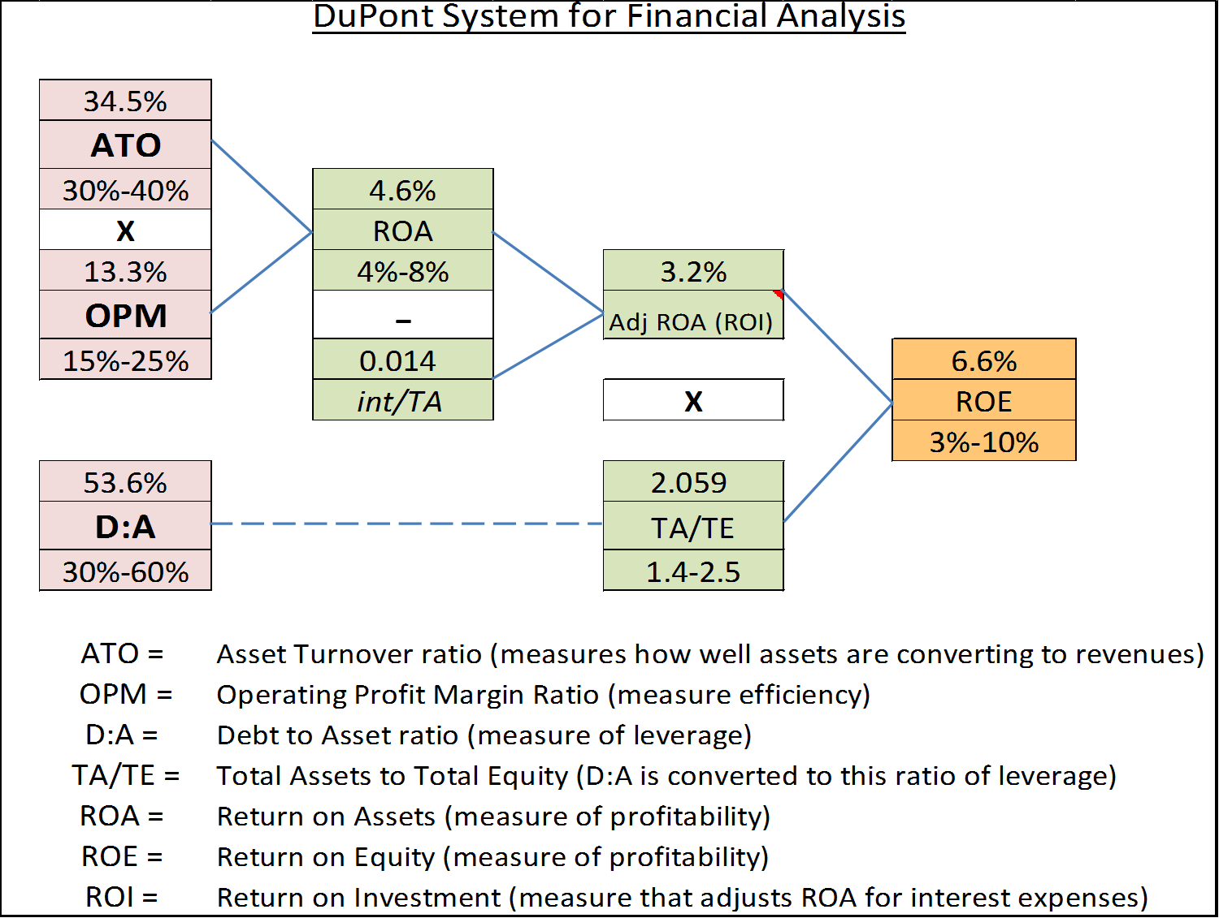
Ratio Scorecard |  |  |  |  | Comparison
 |  | Score Card
 |  | Weak | Caution | Strong | M-View | AgFA Avg
Liquidity
1. | Current Ratio | <1.3 | 1.3-2.0 | >2.0 | 1.11 | 11.31
3. | Working Capital:Gross Revenue | <10% | 10%-30% | >30% | 3.3% | 26.1%
Solvency
4. | Debt:Asset (D:A) | >60% | 30%-60% | <30% | 53.6% | 19.3%
Profitability
8. | Rate of Return on Assets (ROA) | <4% | 4%-8% | >8% | 4.6% | 6.8%
9. | Rate of Return on Equity (ROE) | <3% | 3%-10% | >10% | 6.6% | 7.4%
10. | Operating Profit Margin (OPM) | <15% | 15%-25% | >25% | 13.3% | 20.7%
Repayment Capacity
15. | Term-Debt Coverage Ratio | <1.25 | 1.25-1.75 | >1.75 | 1.39 | 1.77
Financial Efficiency
17. | Asset Turnover Ratio (ATO) | <30% | 30%-45% | >45% | 34.5% | 32.8%
18. | Operating Expense Ratio3 | >80% | 60%-80% | <60% | 72.8% | 65.8%
19. | Depreciation Expense Ratio | >10% | 5%-10% | <5% | 13.9% | 8.0%
20. | Interest Expense Ratio | >10% | 5%-10% | <5% | 4.0% | 2.5%

